Overview of Process
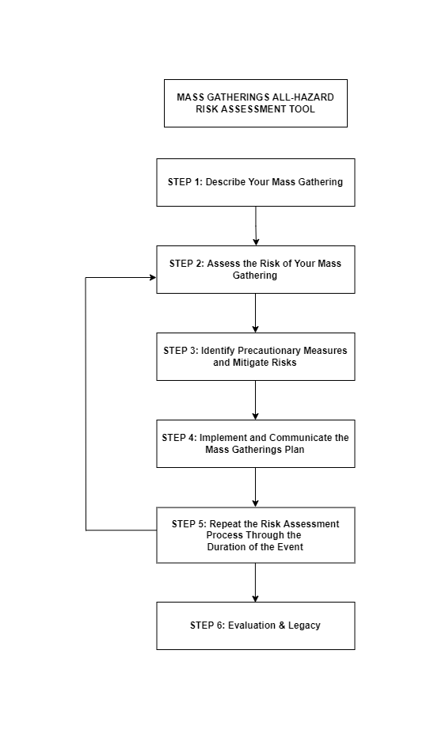

 | The risk-based approach articulated in the Generic All-Hazards Risk Assessment Tool for Mass Gathering Events (“MG RA Tool”) is based on the principles of the World Health Organization’s Strategic Toolkit for Assessing Risk (STAR) as well as methods identified for the COVID-19 Risk Assessment Tool for Mass Gatherings.

 | PURPOSE:
 | To identify the priorty hazards related to hosting the mass gathering and assess the risk level of the mass gathering for the local community/country. To identify and implement mitigation measures to buy down the risk and develop a preparedness plans for the mass gathering.

 | PRINCIPLES OF THE TOOL:
 | The development of this tool is compiled based on the following principles:
 | All-hazards approach: health emergency management policies, strategies and related programmes should be designed to address common issues with common capacities, supplemented by risk-specific capacities.
 | Whole-of-society approach: recognizing and promoting the participation and coordination of relevant stakeholders in health and other sectors at all levels of society. These key stakeholders are information-rich and contribute to effective risk assessment.
 | Health system approach: capturing risks from any hazards at all levels of the health system in a given country (primary, secondary and tertiary levels), as well as accounting for risks at the community, municipality, city, other subnational and national levels.
 | Risk-informed evidence compilation: Using primary or secondary data available in the country derived from research, assessments, surveillance, evaluations of previous emergencies, International Health Regulations (IHR 2005) monitoring, inclusive of the IHR State Party Self-Assessment Annual Reporting Tool (SPAR), meteorological profile description, and any other relevant data.
 | Transparency: Obtaining agreement across all stakeholders, including government authorities and partners, to build trust, enhance the acceptability of findings and drive their commitment to the implementation of actions and recommendations of the risk assessment and to timely communicate recommendations to mass gathering participants and the general public.

 | Building on these principles, the "MG RA Tool" supports mass gathering planners and stakeholders through a multi-step risk assessment process organized across corresponding modules:
 | Step 1: Describe your mass gathering to identify the prominent hazards of the event and risk areas
 | Step 2: Assessing the risk of the mass gathering (2A. Identifying hazards; 2B. Evaluating Likelihood; 2C. Calculating the Risk Score; 2D. Determining Impact)
 | Step 3: Identifying the precautionary measures to implement to mitigate risks
 | Step 4: Implement and communicate the mass gathering plan
 | Step 5: Repeat the risk assessment process regularly and finalize mass gathering plan
 | Step 6: Conduct evaluation and legacy activities after the completion of the event

 | METHODOLOGY:
 | Within each module, users will be asked to answer relevant questions about the event in question to the best of their knowledge. This process is intended to be iterative, drawing on existing data, expertise, and multisectoral coordinating mechanisms to identify relevant hazards, ascertain their likelihood of occurring, and estimate their potential impact on the mass gathering in question. Mass gathering event planners are encouraged to apply the "MG RA Tool" before, during, and after the event in question to ensure a holistic and comprehensive approach to assessing risks associated with naturally occurring, manmade, accidental, and/or deliberate hazards to population health and wellbeing.

WHO/2023-Generic/Mass_gatherings_All_Hazards_RAtool/2023.1
© WHO 2023. Some rights reserved. This work is available under the CC BY-NC-SA 3.0 IGO licence.

2. Assessing the Risk Process
Step 2. ASSESSING THE RISK OF YOUR MASS GATHERING: PROCESS
*Adapted from the WHO Strategic Tool for Assessing Risks (STAR)
2A. Identifying the Hazard
What are the hazards most likely to require a response or most likely to contribute to negative health outcomes for the mass gathering?
Considerations include type of hazard, health consequences, scale and exposure. Outputs include:
Epidemiological Concerns (infectious disease outbreaks from person to person spread, not including sexually transmitted infections (STIs))
Epidemiological Concerns (STIs)
Epidemiological Concerns (vector borne diseases)
Non-Infectious Disease Health Threats (non-communicable diseases, excessive use of substances, injuries, stampedes, trampling)
Environmental Concerns (frostbite, overheating, poor air quality)
CBRN Threats
Food Safety and/or Clean Water Concerns
2B. Evaluating the Likelihood
What is the likelihood that the identified hazards in Step 2A will occur during the mass gathering and require coordinated response to mitigate negative health outcomes?
Considerations include frequencies, seasonality and likelihood of the hazards. Outputs include mitigation statements and plans to reduce the likelihood of hazards.
2C. Generating the Risk Score
The questions and statements in Steps 2A and 2B are combined to determine the Risk Score of the mass gathering, depending on the hazards identified, and their likelihood of occurring.
The Risk Score is determined by a risk matrix combining the identified hazards and the likelihood of them occurring. Risk Scores range from very low, low, moderate, high, and very high.
2D. Determining the Impact
What are the likely impacts should a hazard occur during the mass gathering? What is the ability of the host country to respond to such a hazard to mitigate further coping capacity?
Considerations include severity of the hazard occurring, vulnerability of the population, and local coping capacity. Outputs include measuring the preparedness and health capacity level of the host city/country through analysis of:
After Action Reviews (AARs)
Intra Action Reviews (IARs)
Joint External Evaluation (JEEs)
National Action Plan for Health security (NAPHs)
IHR State Party Self-Assessment Annual Reporting Tool (SPAR) assessments
Other assessments

WHO/2023-Generic/Mass_gatherings_All_Hazards_RAtool/2023.1
© WHO 2023. Some rights reserved. This work is available under the CC BY-NC-SA 3.0 IGO licence.

